List Users
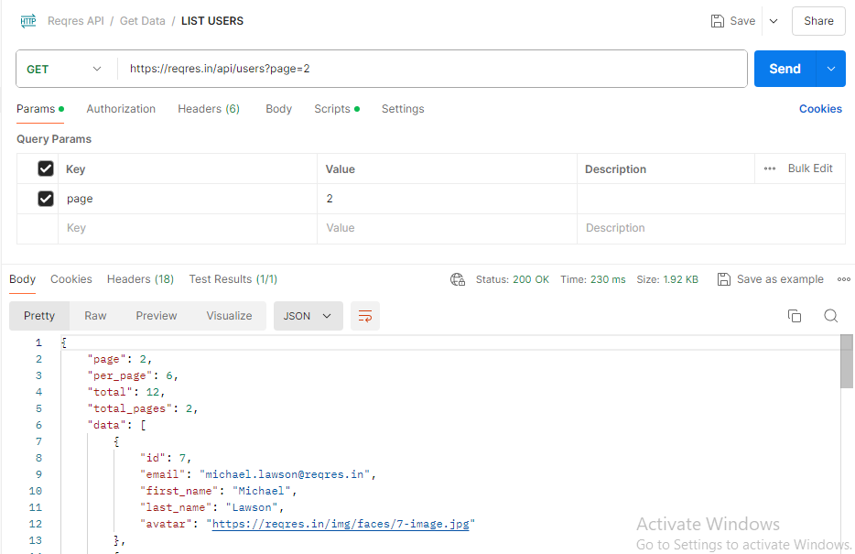
<<TEST SCENARIO
TEST CASE ID | TEST SCENARIO ID | TEST CASE TITLE | TEST STEPS | TEST DATA | EXPECTED RESULT | ACTUAL RESULT | PRIORITY | STATUS | COMMENT
API_TC_001 | TS_001 (List Users) | List all Users Data in the page:2 | 1.Login to POSTMAN tool 2.Create a new request in the collection folder 3. Select GET on the request option 4.Enter the given API (https://reqres.in/api/users?page=2) on the request url field 5. Click on the SEND button | N/A | Should Give Appropriate Response. Status Code: 200 OK (Success) | As Expected | P0 | PASS
API_TC_002 | TS_001 (List Users) | Protocol (http/https) the API is Supporting | 1.Login to POSTMAN tool 2.Create a new request in the collection folder 3. Select GET on the request option 4.Enter the given API (https://reqres.in/api/users?page=2) on the request url field 5. Click on the SEND button 6.Enter the given API (http://reqres.in/api/users?page=2) on the request url field 7. Click on the SEND button | N/A | Should Give Appropriate Response for both. Status Code: 200 OK (Success) | As Expected | P0 | PASS
API_TC_003 | TS_001 (List Users) | Change top level domain of server address | 1.Login to POSTMAN tool 2.Create a new request in the collection folder 3. Select GET on the request option 4.Enter the given API (https://reqres.qa/api/users?page=2) on the request url field 5. Click on the SEND button | N/A | Server Address is not correct. Could not send request. | As Expected | P0 | PASS
API_TC_004 | TS_001 (List Users) | Change server address name | 1.Login to POSTMAN tool 2.Create a new request in the collection folder 3. Select GET on the request option 4.Enter the given API (https://retest.in/api/users?page=2) on the request url field 5. Click on the SEND button | N/A | Server Address is not correct. Could not send request. | As Expected | P0 | PASS
API_TC_005 | TS_001 (List Users) | Modifying the value of query parameter (0002 instead of 2) | 1.Login to POSTMAN tool 2.Create a new request in the collection folder 3. Select GET on the request option 4.Enter the given API (https://reqres.in/api/users?page=0002) on the request url field 5. Click on the SEND button | N/A | 000 should be trimmed | As Expected | P0 | PASS
API_TC_006 | TS_001 (List Users) | Modifying the value of query parameter (alphabets in place of 2) | 1.Login to POSTMAN tool 2.Create a new request in the collection folder 3. Select GET on the request option 4.Enter the given API (https://reqres.in/api/users?page=abcd) on the request url field 5. Click on the SEND button | N/A | Default Action | As Expected | P0 | PASS
API_TC_007 | TS_001 (List Users) | Modifying the value of query parameter (special characters in place of 2) | 1.Login to POSTMAN tool 2.Create a new request in the collection folder 3. Select GET on the request option 4.Enter the given API (https://reqres.in/api/users?page=$#$#4) on the request url field 5. Click on the SEND button | N/A | Default Action | As Expected | P0 | PASS
API_TC_008 | TS_001 (List Users) | Modifying the value of query parameter (space before number) | 1.Login to POSTMAN tool 2.Create a new request in the collection folder 3. Select GET on the request option 4.Enter the given API (https://reqres.in/api/users?page= 2) on the request url field 5. Click on the SEND button | N/A | Space should be trimmed | As Expected | P0 | PASS
API_TC_009 | TS_001 (List Users) | Modifying the value of query parameter (2.2 instead of 2) | 1.Login to POSTMAN tool 2.Create a new request in the collection folder 3. Select GET on the request option 4.Enter the given API (https://reqres.in/api/users?page=2.2) on the request url field 5. Click on the SEND button | N/A | Should not consider after . | As Expected | P0 | PASS
API_TC_010 | TS_001 (List Users) | Modifying the value of query parameter (alphabets in place of 2) | 1.Login to POSTMAN tool 2.Create a new request in the collection folder 3. Select GET on the request option 4.Enter the given API (https://reqres.in/api/users?page=2abc) on the request url field 5. Click on the SEND button | N/A | abc should be trimmed | As Expected | P0 | PASS
API_TC_011 | TS_001 (List Users) | Modifying the value of query parameter (*2* instead of 2) | 1.Login to POSTMAN tool 2.Create a new request in the collection folder 3. Select GET on the request option 4.Enter the given API (https://reqres.in/api/users?page=*2*) on the request url field 5. Click on the SEND button | N/A | Default Action | As Expected | P0 | PASS
API_TC_012 | TS_001 (List Users) | Modifying the value of query parameter (2// instead of 2) | 1.Login to POSTMAN tool 2.Create a new request in the collection folder 3. Select GET on the request option 4.Enter the given API (https://reqres.in/api/users?page= 2//) on the request url field 5. Click on the SEND button | N/A | // should be trimmed | As Expected | P0 | PASS
API_TC_013 | TS_001 (List Users) | Modifying the value of query parameter (2\\ instead of 2) | 1.Login to POSTMAN tool 2.Create a new request in the collection folder 3. Select GET on the request option 4.Enter the given API (https://reqres.in/api/users?page= 2\\) on the request url field 5. Click on the SEND button | N/A | \\ should be trimmed | As Expected | P0 | PASS
API_TC_014 | TS_001 (List Users) | Modifying the value of query parameter (//2// instead of 2) | 1.Login to POSTMAN tool 2.Create a new request in the collection folder 3. Select GET on the request option 4.Enter the given API (https://reqres.in/api/users?page= //2//) on the request url field 5. Click on the SEND button | N/A | Default Action | As Expected | P0 | PASS
API_TC_015 | TS_001 (List Users) | Modifying the value of query parameter (23 instead of 2) | 1.Login to POSTMAN tool 2.Create a new request in the collection folder 3. Select GET on the request option 4.Enter the given API (https://reqres.in/api/users?page= 23) on the request url field 5. Click on the SEND button | N/A | Should Give Appropriate Response of Page 23. Status Code: 200 OK (Success) | As Expected | P0 | PASS
API_TC_016 | TS_001 (List Users) | Invalid query parameters ("page" instead of page) | 1.Login to POSTMAN tool 2.Create a new request in the collection folder 3. Select GET on the request option 4.Enter the given API (https://reqres.in/api/users?"page"= 2) on the request url field 5. Click on the SEND button | N/A | Should get Error | Default Action | P0 | FAIL
API_TC_017 | TS_001 (List Users) | Invalid query parameters (test instead of page) | 1.Login to POSTMAN tool 2.Create a new request in the collection folder 3. Select GET on the request option 4.Enter the given API (https://reqres.in/api/users?test= 2) on the request url field 5. Click on the SEND button | N/A | Should get Error | Default Action | P0 | FAIL
API_TC_018 | TS_001 (List Users) | Invalid Endpoints of URL (test instead of api) | 1.Login to POSTMAN tool 2.Create a new request in the collection folder 3. Select GET on the request option 4.Enter the given API (https://reqres.in/test/users?page= 2) on the request url field 5. Click on the SEND button | N/A | Should get Error | As Expected | P0 | PASS
API_TC_019 | TS_001 (List Users) | Invalid Endpoints of URL (API instead of api) | 1.Login to POSTMAN tool 2.Create a new request in the collection folder 3. Select GET on the request option 4.Enter the given API (https://reqres.in/API/users?page= 2) on the request url field 5. Click on the SEND button | N/A | Should get Error | As Expected | P0 | PASS

Single Users
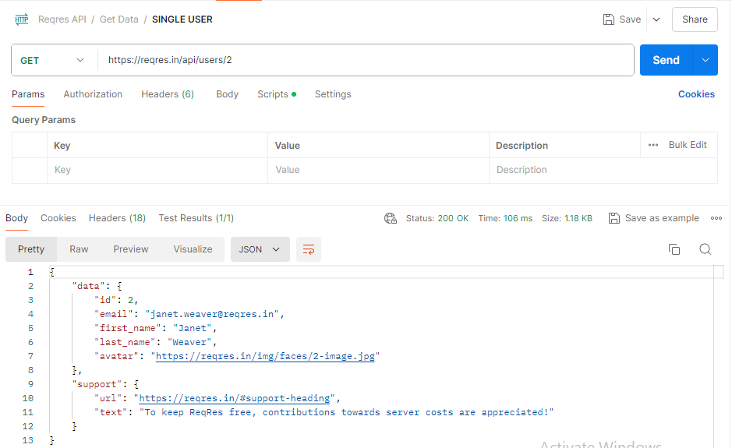
<<TEST SCENARIO
TEST CASE ID | TEST SCENARIO ID | TEST CASE TITLE | TEST STEPS | TEST DATA | EXPECTED RESULT | ACTUAL RESULT | PRIORITY | STATUS | COMMENT
API_TC_001 | TS_002 (Single Users) | List the Data of the Single User id:2 | 1.Login to POSTMAN tool 2.Create a new request in the collection folder 3. Select GET on the request option 4.Enter the given API (https://reqres.in/api/users/2) on the request url field 5. Click on the SEND button | N/A | Should Give Appropriate Response. Status Code: 200 OK (Success) | As Expected | P0 | PASS

Single User Not Found
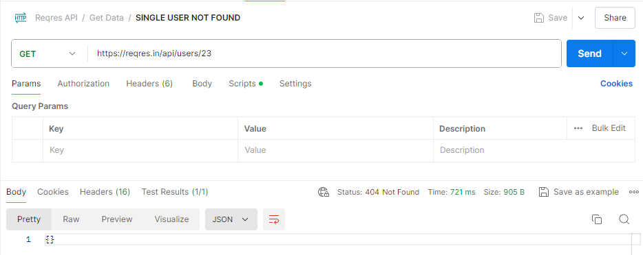
<<TEST SCENARIO
TEST CASE ID | TEST SCENARIO ID | TEST CASE TITLE | TEST STEPS | TEST DATA | EXPECTED RESULT | ACTUAL RESULT | PRIORITY | STATUS | COMMENT
API_TC_001 | TS_003 (Single User Not Found) | The single user Data Not found in the page | 1.Login to POSTMAN tool 2.Create a new request in the collection folder 3. Select GET on the request option 4.Enter the given API (https://reqres.in/api/users/23) on the request url field 5. Click on the SEND button | N/A | Should Give Appropriate Response. Status Code: 404 Not Found (Client Error) | As Expected | P0 | PASS

List Resource
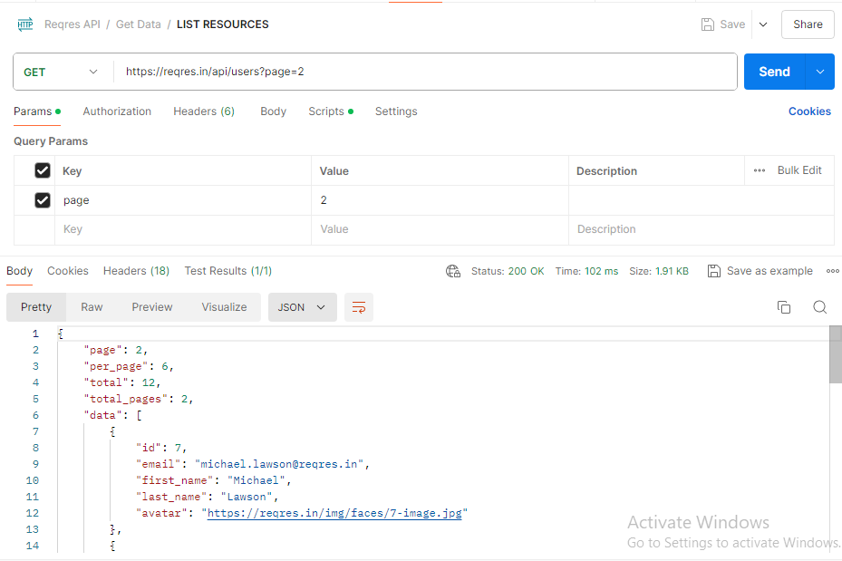
<<TEST SCENARIO
TEST CASE ID | TEST SCENARIO ID | TEST CASE TITLE | TEST STEPS | TEST DATA | EXPECTED RESULT | ACTUAL RESULT | PRIORITY | STATUS | COMMENT
API_TC_001 | TS_004 (List Resources) | List the resources in the page | 1.Login to POSTMAN tool 2.Create a new request in the collection folder 3. Select GET on the request option 4.Enter the given API (https://reqres.in/api/unknown) on the request url field 5. Click on the SEND button | N/A | Should Give Appropriate Response. Status Code: 200 OK (Success) | As Expected | P0 | PASS

Single Resource
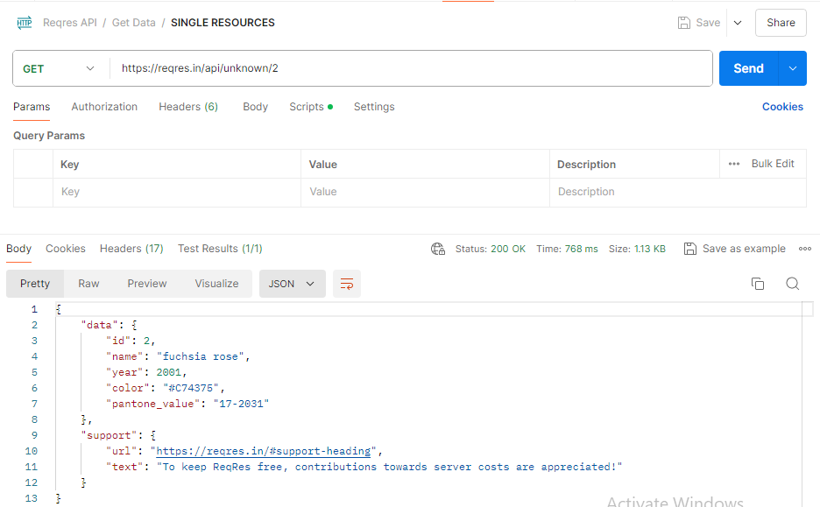
<<TEST SCENARIO
TEST CASE ID | TEST SCENARIO ID | TEST CASE TITLE | TEST STEPS | TEST DATA | EXPECTED RESULT | ACTUAL RESULT | PRIORITY | STATUS | COMMENT
API_TC_001 | TS_005 (Single Resouce) | List the Single Resource in the Page | 1.Login to POSTMAN tool 2.Create a new request in the collection folder 3. Select GET on the request option 4.Enter the given API (https://reqres.in/api/unknown/2) on the request url field 5. Click on the SEND button | N/A | Should Give Appropriate Response. Status Code: 200 OK (Success) | As Expected | P0 | PASS

Single Resource Not Found
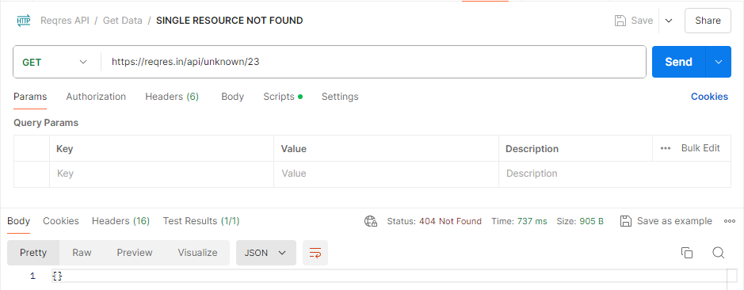
<<TEST SCENARIO
TEST CASE ID | TEST SCENARIO ID | TEST CASE TITLE | TEST STEPS | TEST DATA | EXPECTED RESULT | ACTUAL RESULT | PRIORITY | STATUS | COMMENT
API_TC_001 | TS_006 (Single Resource Not Found) | The single Resource Not found in the page | 1.Login to POSTMAN tool 2.Create a new request in the collection folder 3. Select GET on the request option 4.Enter the given API (https://reqres.in/api/unknown/23) on the request url field 5. Click on the SEND button | N/A | Should Give Appropriate Response. Status Code: 404 Not Found (Client Error) | As Expected | P0 | PASS

Create User
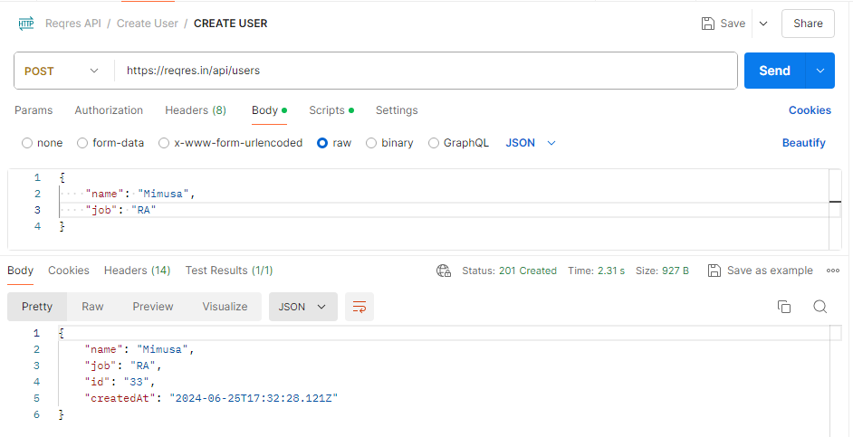
<<TEST SCENARIO
TEST CASE ID | TEST SCENARIO ID | TEST CASE TITLE | TEST STEPS | Body (JSON) | EXPECTED RESULT | ACTUAL RESULT | PRIORITY | STATUS | COMMENT
API_TC_001 | TS_007 (Create Users) | Create a user in the page | 1.Login to POSTMAN tool 2.Create a new request in the collection folder 3. Select POST on the request option 4.Enter the given API (https://reqres.in/api/users) on the request url field 5. Click on the SEND button | { "name": "Mimusa", "job": "RA" } | Should Give Appropriate Response. Status Code: 201 Created (Success) | As Expected | P0 | PASS
API_TC_002 | TS_007 (Create Users) | Create a user in the page without job | 1.Login to POSTMAN tool 2.Create a new request in the collection folder 3. Select POST on the request option 4.Enter the given API (https://reqres.in/api/users) on the request url field 5. Click on the SEND button | { "name": "Mimusa" } | Should Give Appropriate Response. Status Code: 201 Created (Success) | As Expected | P0 | PASS

Put Update
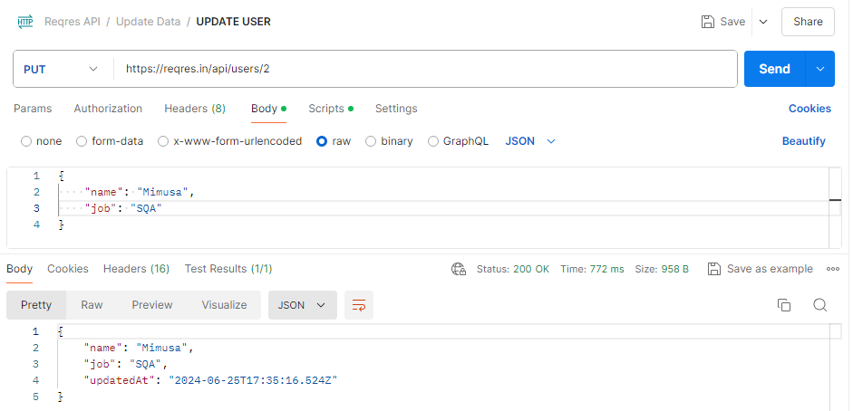
<<TEST SCENARIO
TEST CASE ID | TEST SCENARIO ID | TEST CASE TITLE | TEST STEPS | Body (JSON) | EXPECTED RESULT | ACTUAL RESULT | PRIORITY | STATUS | COMMENT
API_TC_001 | TS_008 (Put Update) | Update the user in the page (PUT) | 1.Login to POSTMAN tool 2.Create a new request in the collection folder 3. Select PUT on the request option 4.Enter the given API (https://reqres.in/api/users/2) on the request url field 5. Click on the SEND button | { "name": "Mimusa", "job": "SQA" } | Should Give Appropriate Response. Status Code: 200 OK (Success) | As Expected | P0 | PASS

Patch Update
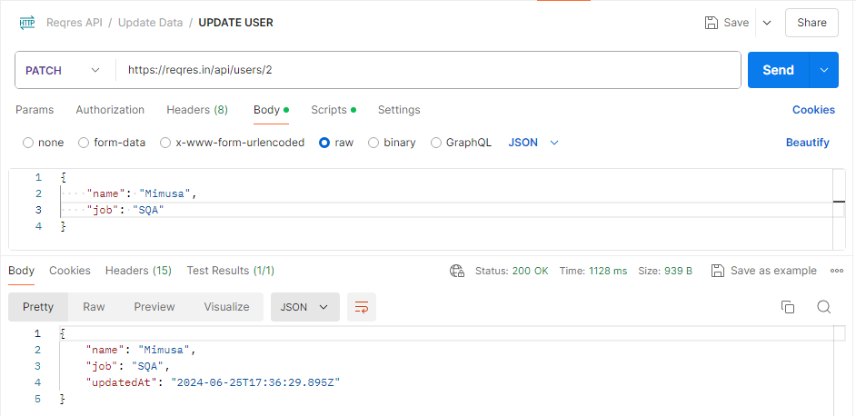
<<TEST SCENARIO
TEST CASE ID | TEST SCENARIO ID | TEST CASE TITLE | TEST STEPS | Body (JSON) | EXPECTED RESULT | ACTUAL RESULT | PRIORITY | STATUS | COMMENT
API_TC_001 | TS_009 (Patch Update) | Update the user in the page (PATCH) | 1.Login to POSTMAN tool 2.Create a new request in the collection folder 3. Select PATCH on the request option 4.Enter the given API (https://reqres.in/api/users/2) on the request url field 5. Click on the SEND button | { "name": "Mimusa", "job": "SQA" } | Should Give Appropriate Response. Status Code: 200 OK (Success) | As Expected | P0 | PASS

Delete User
<<TEST SCENARIO
TEST CASE ID | TEST SCENARIO ID | TEST CASE TITLE | TEST STEPS | Body (JSON) | EXPECTED RESULT | ACTUAL RESULT | PRIORITY | STATUS | COMMENT
API_TC_001 | TS_010 (Delete User) | Delete the user in the page | 1.Login to POSTMAN tool 2.Create a new request in the collection folder 3. Select DELETE on the request option 4.Enter the given API (https://reqres.in/api/users/2) on the request url field 5. Click on the SEND button | N/A | Should Give Appropriate Response. Status Code: 204 No Content (Success) | As Expected | P0 | PASS

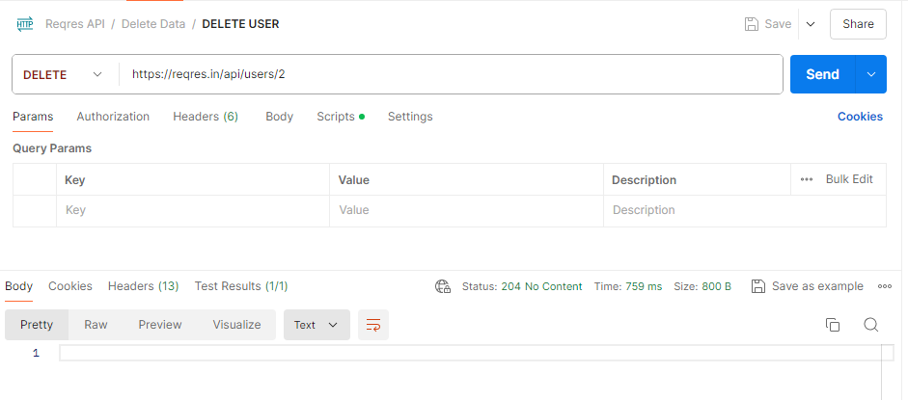

API_TC_005 | TS_001 (List Users)
API_TC_006 | TS_001 (List Users)
API_TC_007 | TS_001 (List Users)
API_TC_008 | TS_001 (List Users)

Register Successful
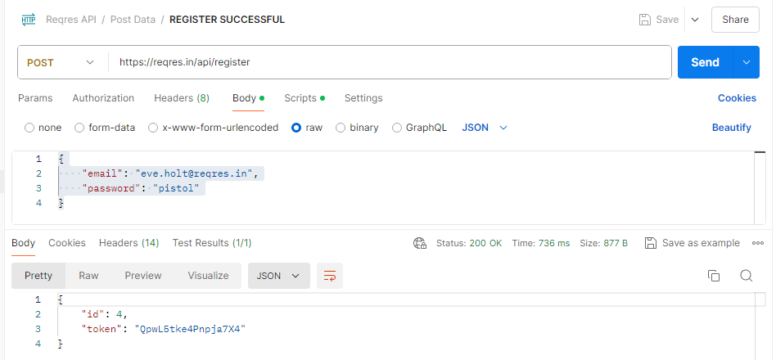
<<TEST SCENARIO
TEST CASE ID | TEST SCENARIO ID | TEST CASE TITLE | TEST STEPS | Body (JSON) | EXPECTED RESULT | ACTUAL RESULT | PRIORITY | STATUS | COMMENT
API_TC_001+3:8E43:83:103:93:8 | TS_011 (Register Successful) | Register a user with Valid Credentials | 1.Login to POSTMAN tool 2.Create a new request in the collection folder 3. Select POST on the request option 4.Enter the given API (https://reqres.in/api/register) on the request url field 5. Click on the SEND button | { "email": "eve.holt@reqres.in", "password": "pistol" } | Should Give Appropriate Response. Status Code: 200 OK (Success) | As Expected | P0 | PASS
API_TC_002 | TS_011 (Register Successful) | Register a user with random password value | 1.Login to POSTMAN tool 2.Create a new request in the collection folder 3. Select POST on the request option 4.Enter the given API (https://reqres.in/api/register) on the request url field 5. Click on the SEND button | { "email": "eve.holt@reqres.in", "password "pistol123" } | Any password will be accepted. | As Expected | P0 | PASS
API_TC_003 | TS_011 (Register Successful) | EMAIL instead of email, test instead of Password | 1.Login to POSTMAN tool 2.Create a new request in the collection folder 3. Select POST on the request option 4.Enter the given API (https://reqres.in/api/register) on the request url field 5. Click on the SEND button | { "EMAIL": "eve.holt@reqres.in", "test": "pistol" } | Should Give Appropriate Response. Status Code: 400 Bad Request (Client Error) | As Expected | P0 | PASS
API_TC_004 | TS_011 (Register Successful) | Without providing pasword | 1.Login to POSTMAN tool 2.Create a new request in the collection folder 3. Select POST on the request option 4.Enter the given API (https://reqres.in/api/register) on the request url field 5. Click on the SEND button | { "email": "eve.holt@reqres.in" } | Should Give Appropriate Response. Status Code: 400 Bad Request (Client Error) | As Expected | P0 | PASS
API_TC_005 | TS_011 (Register Successful) | changing top level domain of email | 1.Login to POSTMAN tool 2.Create a new request in the collection folder 3. Select POST on the request option 4.Enter the given API (https://reqres.in/api/register) on the request url field 5. Click on the SEND button | { "email": "eve.holt@reqres.com", "password "pistol" } | Should Give Appropriate Response. Status Code: 400 Bad Request (Client Error) | As Expected | P0 | PASS
API_TC_006 | TS_011 (Register Successful) | username instead of email | 1.Login to POSTMAN tool 2.Create a new request in the collection folder 3. Select POST on the request option 4.Enter the given API (https://reqres.in/api/register) on the request url field 5. Click on the SEND button | { "username": "eve.holt@reqres.in", "password "pistol" } | Should Give Appropriate Response. Status Code: 200 OK (Success) | As Expected | P0 | PASS
API_TC_007 | TS_011 (Register Successful) | Without providing email | 1.Login to POSTMAN tool 2.Create a new request in the collection folder 3. Select POST on the request option 4.Enter the given API (https://reqres.in/api/register) on the request url field 5. Click on the SEND button | { "password": "pistol" } | Should Give Appropriate Response. Status Code: 400 Bad Request (Client Error) | As Expected | P0 | PASS
API_TC_008 | TS_011 (Register Successful) | Without providng , | 1.Login to POSTMAN tool 2.Create a new request in the collection folder 3. Select POST on the request option 4.Enter the given API (https://reqres.in/api/register) on the request url field 5. Click on the SEND button | { "email": "eve.holt@reqres.in" "password": "pistol" } | Should Give Appropriate Response. Status Code: 400 Bad Request (Client Error) | As Expected | P0 | PASS

Register Unsuccessful
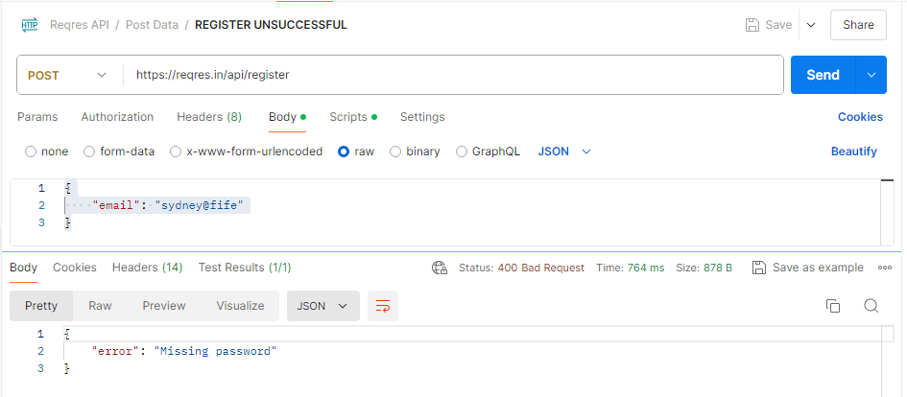
<<TEST SCENARIO
TEST CASE ID | TEST SCENARIO ID | TEST CASE TITLE | TEST STEPS | Body (JSON) | EXPECTED RESULT | ACTUAL RESULT | PRIORITY | STATUS | COMMENT
API_TC_001 | TS_012 | Register a user with Invalid Credentials | 1.Login to POSTMAN tool 2.Create a new request in the collection folder 3. Select POST on the request option 4.Enter the given API (https://reqres.in/api/register) on the request url field 5. Click on the SEND button | { "email": "sydney@fife" }{ "email": "eve.holt@reqres.in", "password": "pistol" } | Should Give Appropriate Response. { "error": "Missing password" } Status Code: 400 Bad Request (Client Error) | As Expected | P0 | PASS

Login Successful
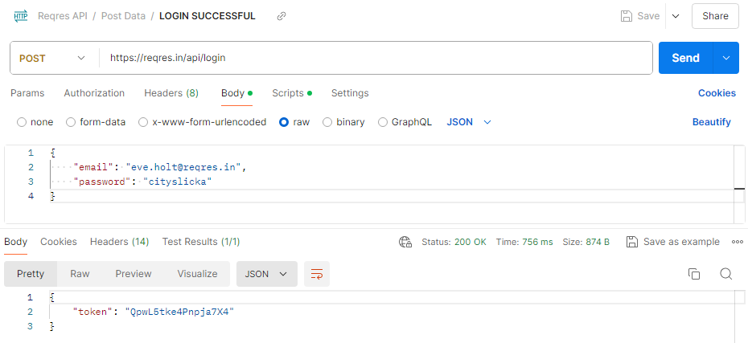
<<TEST SCENARIO
TEST CASE ID | TEST SCENARIO ID | TEST CASE TITLE | TEST STEPS | Body (JSON) | EXPECTED RESULT | ACTUAL RESULT | PRIORITY | STATUS | COMMENT
API_TC_001 | TS_013 | Login a user with valid Credentials | 1.Login to POSTMAN tool 2.Create a new request in the collection folder 3. Select POST on the request option 4.Enter the given API (https://reqres.in/api/login) on the request url field 5. Click on the SEND button | { "email": "eve.holt@reqres.in", "password": "cityslicka" } | Should Give Appropriate Response. Status Code: 200 OK (Success) | As Expected | P0 | PASS

Login Unsuccessful
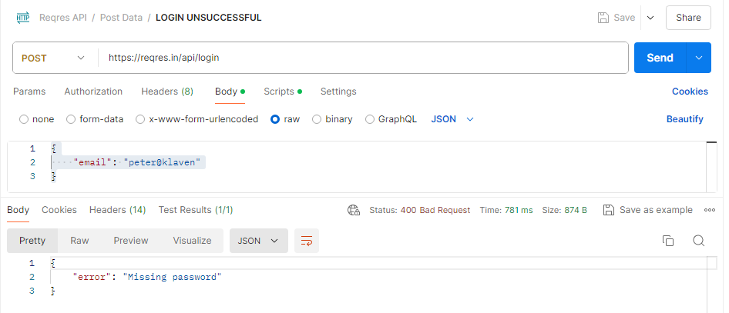
<<TEST SCENARIO
TEST CASE ID | TEST SCENARIO ID | TEST CASE TITLE | TEST STEPS | Body (JSON) | EXPECTED RESULT | ACTUAL RESULT | PRIORITY | STATUS | COMMENT
API_TC_001 | TS_014 | Login a user with Invalid Credentials | 1.Login to POSTMAN tool 2.Create a new request in the collection folder 3. Select POST on the request option 4.Enter the given API (https://reqres.in/api/login) on the request url field 5. Click on the SEND button | { "email": "peter@klaven" } | Should Give Appropriate Response. Status Code: 400 Bad Request (Client Error) | As Expected | P0 | PASS

Delayed Response
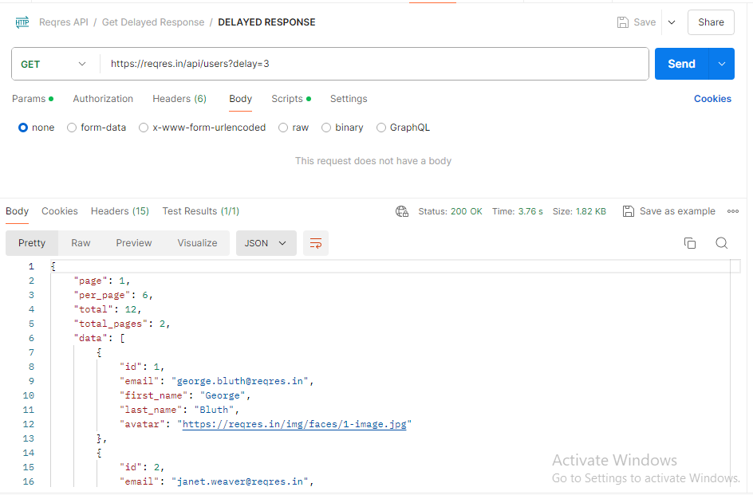
<<TEST SCENARIO
TEST CASE ID | TEST SCENARIO ID | TEST CASE TITLE | TEST STEPS | Body (JSON) | EXPECTED RESULT | ACTUAL RESULT | PRIORITY | STATUS | COMMENT
API_TC_001 | TS_015 (Delayed Response) | Delayed Response in Resource | 1.Login to POSTMAN tool 2.Create a new request in the collection folder 3. Select GET on the request option 4.Enter the given API (https://reqres.in/api/users?delay=3) on the request url field 5. Click on the SEND button | N/A | Should Give Appropriate Response. Status Code: 200 OK (Success) | As Expected | P0 | PASS

